Sheet1
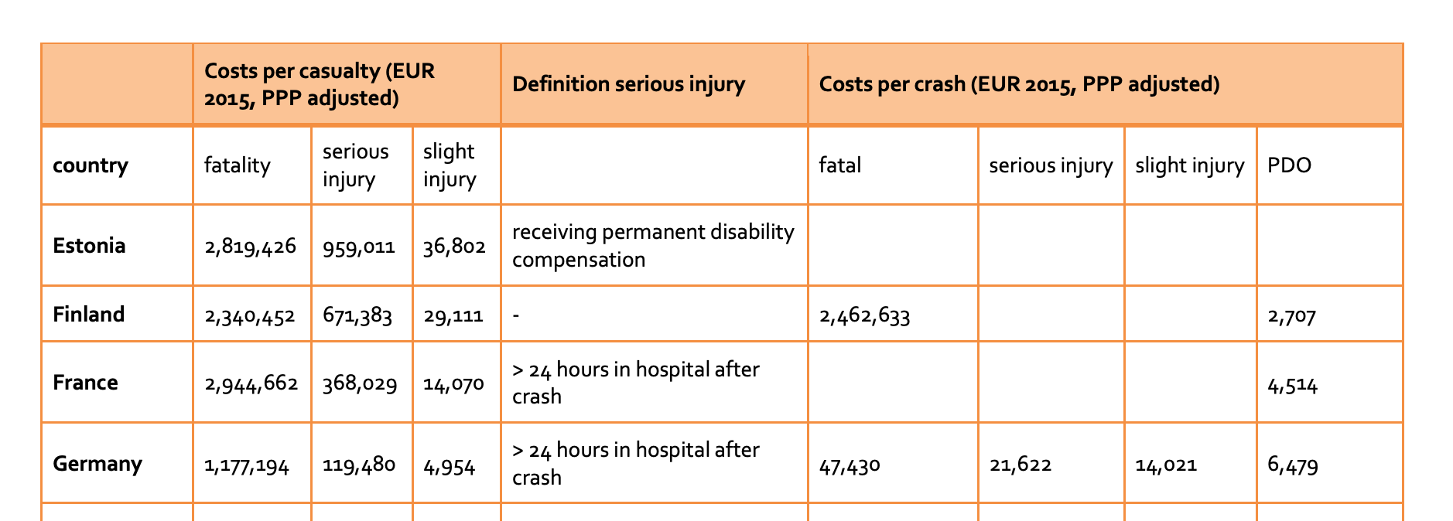
 |  |  |  |  |  | 1% | acc reduction
2017 Munich Data |  | cost in € per crash and fatality | % payed by vehicle insurance |  |  | 44999 | new total
total | 45454 |  | 0.5 | % of total acc | cost per category | # new accidents | new cost per category | normal avg/case | new avg/case
fatal | 22 | €1,224,624.00 | €612,312.00 | 0.05% | €13,470,864.00 | 22 | €13,336,019.03 | €4,606.89 | €4,606.89
severe injury | 585 | €133,501.00 | €66,750.50 | 1.29% | €39,049,042.50 | 579 | €38,658,156.89 | €209,401,554.00 | €207,305,419.29
slight injury | 4683 | €11,433.00 | €5,716.50 | 10.30% | €26,770,369.50 | 4,636 | €26,502,394.89 | €2,096,134.71
without injury | 40164 | €6,479.00 | €3,239.50 | 88.36% | €130,111,278.00 | 39,762 | €128,808,848.48
 |  |  |  |  | €209,401,554.00
 |  |  | parameter estimated by comparing without injury value to reports which state 3.500 average per case excluding own cost for partial/full insurance
 |  |  | https://www.fischer2.com/nachrichten/112-versicherung/kfz/680-die-schadenshöhe-bei-verkehrsunfällen-steigt.html#:~:text=Durchschnittlich%20kostete%20jeder%20Kfz-Haftpflichtschaden,Prozent%20mehr%20als%20in%202014.
 |  |  | https://de.statista.com/statistik/daten/studie/38507/umfrage/durchschnittliche-kosten-je-autounfall-seit-1995/

